Sheet1
 | Document No. |  | Issue No. | Issue Date |  |  |  | Review and Replace Date |  |  | Authorised By
 | GFF269MC |  | 1 | 19.02.2021 |  |  |  | New Issue |  |  | Magda Shah
 | Document Title |  | Chicken Tikka Bites with Mint Raita 110g
Document amendments reason for change | New product launch |  |  | Page 1 of 1 |  |  | Previous Issue Date |  |  | New Issue | Uncontrolled copy unless signed original

CCHTKB2-G18TD |  | FSC |  |  | CHICKEN TIKKA BITES WITH MINT RAITA 110G
STEP 1 |  |  |  |  |  | STEP 2
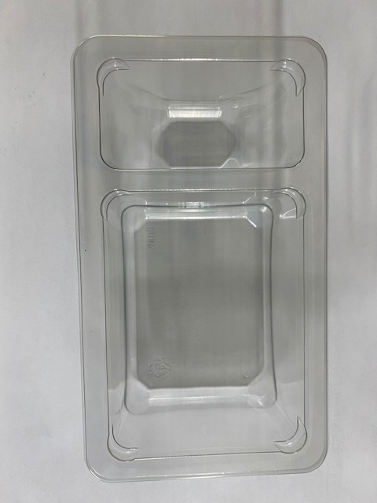 |  |  |  |  |  | 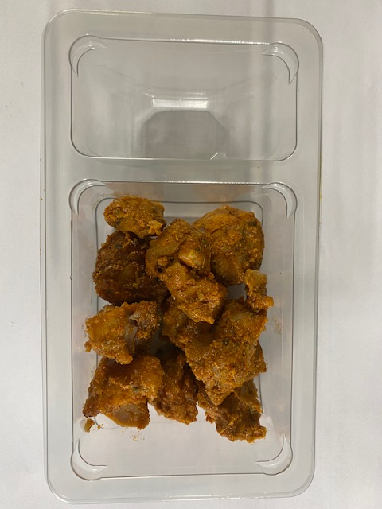
NON-GAS FLASHED PRODUCT

Packaging: Duo-Pot Tray (PKLEE001-01) |  |  |  |  |  | Thigh Chicken Tikka (GFF355R): 80g (+ 4g)
Film: Line 1: Mylar 250LAF 250mm x 1000 (PKWRA001-08) Line 1: K-Peel 75G + AF 25 250mm (PKKMP001-01) Line 2: Mylar 25OLAF - 380mm wide (PKWRA001-02)

STEP 3 |  |  |  |  |  | STEP 4
 |  |  |  |  |  | 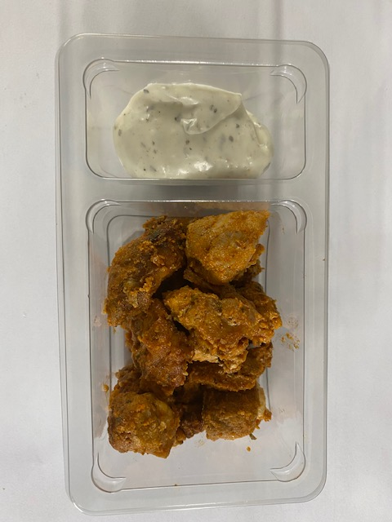
DATE OF COOK (Thigh Chicken)
+
7 DAYS

Yogurt Mint Raita 30% Fat (RMPIQ001-01): 30g |  |  |  |  |  | (+ 2g) |  |  | TOTAL WEIGHT: 110g (+ 6g)

ALLERGY ALERT: EGG, MILK

